Pre-Shipping Checklist
 |  | 5 Easy Steps to Ship Samples to Novogene

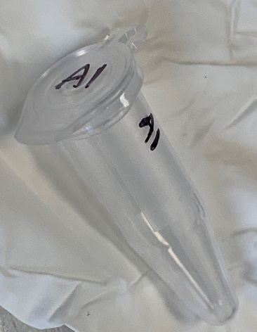
Please send your samples in 1.5ml or 2ml flip cap eppendorf tubes. Sending in any other tubes will need tube transfer. Incorrect tubes risk delays and handling fees ($5 per sample).

Sample names on tubes must be the same as sample names in the form and must begin with a letter. Label the top and side of each tube with a short (≤8 letters/numbers/underscores) sample name in black permanent marker; tape/most labels block tubes from fitting in centrifuges.

Parafilm prevents leaks during transit! Put samples into a Ziploc bag to prevent damage during shipping

 | ≥24 samples? Put them in a freezer or storage box in the same order as the form to ensure rapid check-in. Put the box in a bag.

 | <10 samples? Use Kimwipes in 50 mL conicals to protect them

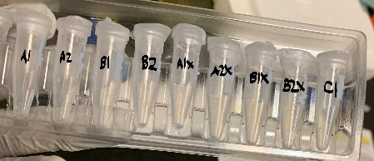
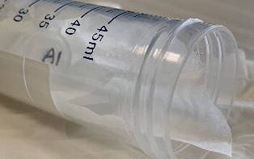
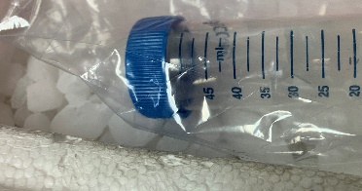

Use 5lb/dry ice per day; we recommend 10lb for overnight shipping. Couriers sometimes have delays, and Sacramento gets pretty hot. We recommend shipping samples overnight MondayWednesday (Sorry, USPS doesn’t deliver to us now, and FedEx does not deliver consistently on Saturdays.)

Print the packing slip from your Tech Support or CSS account and put it in the box – it has a barcode so our package receiving team can get your samples to QC fast. Ask us if you don’t have one of these!

